Version 0.1.5 Train Wallet
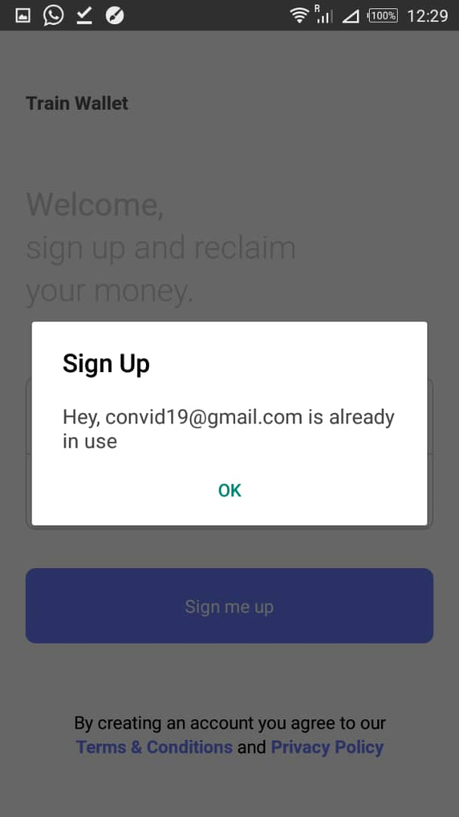
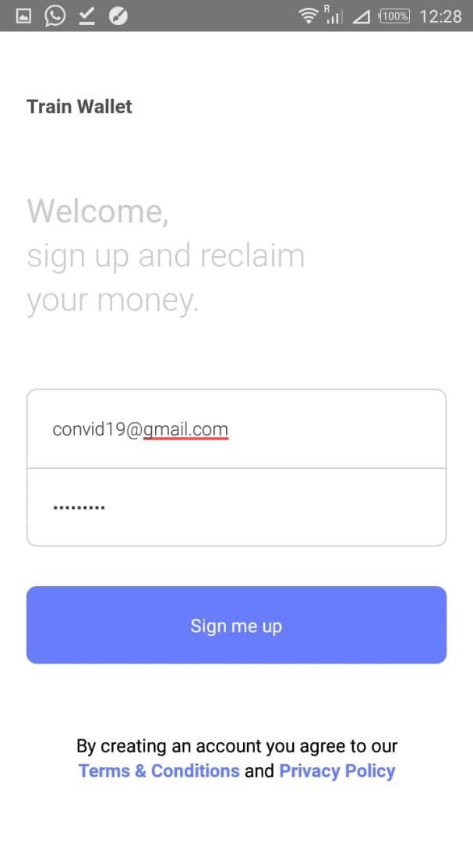
User Acceptance Testing
No | Action | Outcome | Remarks | Fix
 |  |  |  | Yes | No
1 | I enter email Id to restore forgot password and click on "Send it to me" | Nothing happens | If a new client has not registered or signed up before, the app should give a feedback of nonexsitence of email. Fix to display a message "please email Id does not exist" or "wrong email Id" or please check your details and try again" |  | No
2 | I input my sign up details (convid19gmail.com & password) and select "Sign me up" | Nothing happens...static | I have to select the "Sign me up" button twice before it can fully pick my selection and dispays the 2nd Window that "Hey, convid19gmail.com is already in use". (see images of 1st & 2nd Selections for ease of reference). 2 BUGS exist here: Bug No. 1: Fix to sign me up on one selection of "Sign me up" buttom. No.2 It doesn't take me to "See your journeys" window on several selections. Instead it remains static and re-displays the message above ("Hey, convid19gmail.com is already in use"). But when I reopen the app, it takes me automatically to the "See your journeys". | Yes
3 | To add a journey, on selecting a Depart terminal say Doncaster (DON) | The screen drops down with what I type (selection) and other terminals. I have to select the terminal again before it can fully pick my selection into the Depart textbox | Fix bug to pick a selection on one click/selection without screen drop down. NOTE: Fix bug exists in both Depart & Destination terminals | Yes
4 | To add a journey, I input Ticket price as 57.22 | Add Journey window displays: "Ticket price must be a number only" | Bug: Price data type is integer. Fix price data type to accept decimal values, floating-point numbers |  | No
5 | In the search for Departures, I type Cad and select Cadoxton (CAD) from the options | Nothing happens | Bug of double selection b4 picking a selection: Fix bug to pick a selection on one click/selection | Yes

